Sheet1
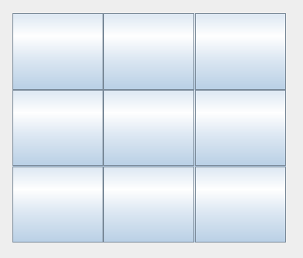
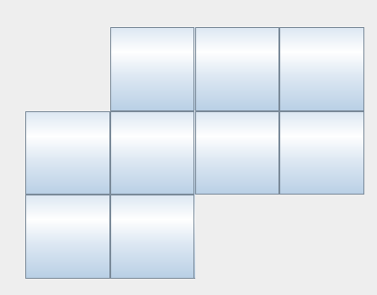
Credit Name: CSE3010 - Computer Science 3
Assignment Name: TicTacToe Mastery

Describe the errors you've encountered while working on this assignment. What caused the error and how do you overcome the error?

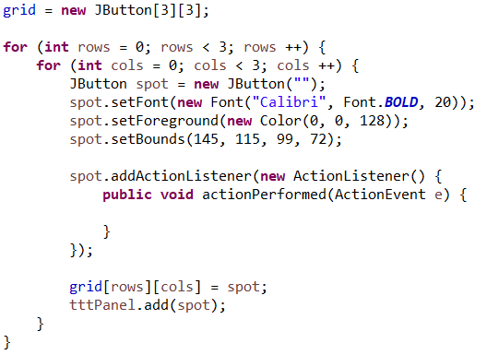
Board didn't display a 3 by 3 JButton board as intended. | I changed nothing about my code, I don't know why it didn't display correctly. Mr. Abdalla clicked around the design
 | page and then ran the code and it worked.

